ID Request FOrm
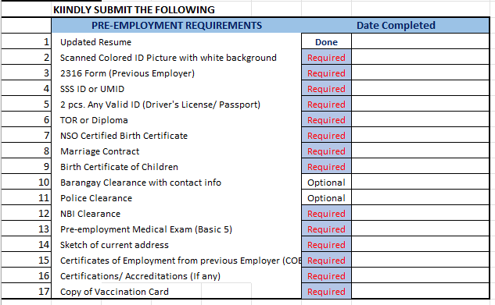
 |  |  |  |  |  | Units 1-4, 2nd flr. Laguna Central bldg.
 |  |  |  |  |  | Greenfield City, Brgy. Don Jose
 |  |  |  | ID REQUEST FORM |  | Sta. Rosa, Laguna 4026
 |  |  |  |  |  |  | 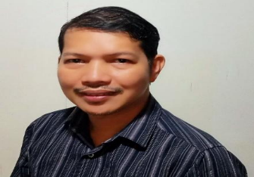 ID PHOTO White background
 | X | NEWLY HIRED

 |  | REPLACEMENT

 |  | (Reason)

EMPLOYEE INFORMATION
 | Given Name: |  | Solomio |  | ID Number
 | Middle Name: |  | Sumaria |  | Department: | Azility Development Team
 | Last Name |  | Sisante |  | Position | C# Full Stack Developer
 | Birthday |  | July 22, 1973 |  | Mobile No. | +639772953375
 | Civil Status |  | Married |  | Email: | solomiosisante@gmail.com
 | Adress: |  | Block 7 Lot 7 Phase 3 Stargazer Corner Lily St., Alta Homes, Molino 3, Bacoor City

 | SSS No. |  | 33-2095500-7 |  | Pag-ibig No. | 121077831337
 | Philhealth No. |  | 080501044168 |  | TIN: | 200-189-932 |  |  | CHARACTER REFERENCE
 |  |  |  |  |  |  |  |  | Name | Contact Number | Company | Position
 | In case of Emerency please notify: |  |  |  | Others: |  |  | 1 | Eduardo Lorenzo Jr. | 09988811355|Japan Tobacco Intl.|Dev. Mgr.
 | Name: |  | Herminia R. Sisante |  | Monthly Basic Salary: |  | Php 180, 000.00 | 2 | Christopher Tan Carpio | 09175417272|GHD|Dev. Mgr.
 | Contact No, |  | +639770061935 |  | Allowance: |  |  | 3 | Trini Edward Manalang | 09175300179|ManuLife IT Delivery Center Asia Inc.|Sr. Solutions Architect
 | Contact Address: |  | Same as Applicant

 |  |  | SIGNATURE MUST BE WITHIN THE BOX ONLY

 |  | Requested by: |  |  |  | Employee
 |  | Checked by: |  |  |  | HRAD Department
 |  | Approved by: |  |  |  | PH Manager

 |  |  |  |  |  |  | Adm.Form 6-2021.Rev0

